Programming Admin
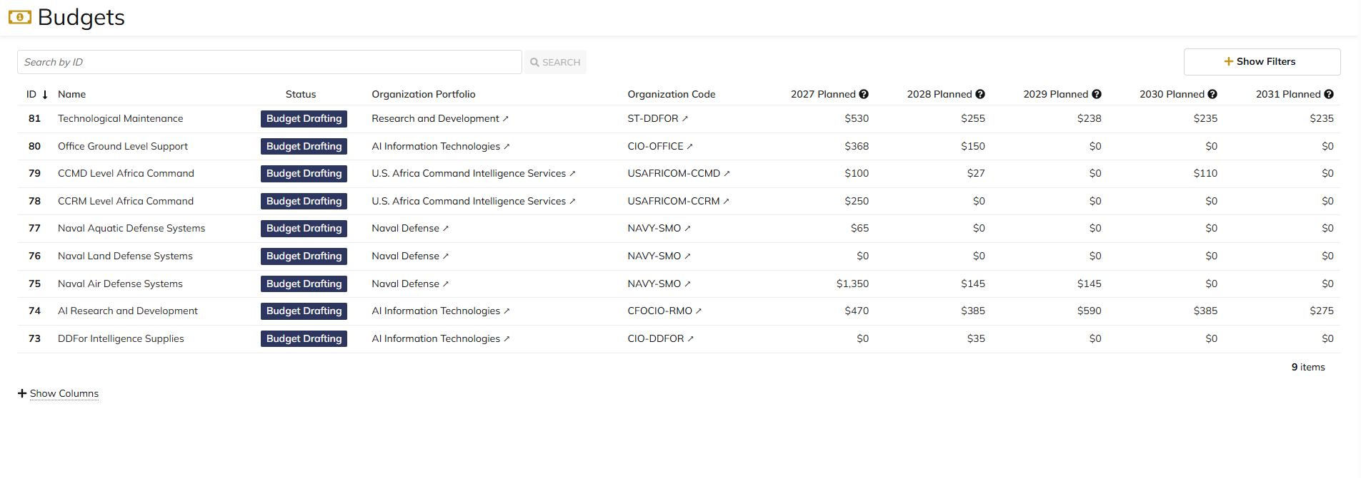
DIABPS Sprint 1.2 - DIABPS-72 TEST CASE SCENARIO |  | TESTER INFO
Test Case ID: | DIABPS_72#01 | Created By: | Kana Raghavan
Test Scenario: | A user with an appropriate role can view a planning item | Created On: | 2026-08-24
User Story: | view a Planning Line Item, Fiscal Year Specific Fields Part 1 (Planning Module) | Reviewed By: | Jordan Helman
Story Description: | As a(n) Execution Admin, Programming Admin, Manpower Admin, Resource Management Lead, Execution Lead, Programming Lead, Manpower Lead, Execution Analyst, Programming Analyst, Manpower Analyst, or Viewer at these levels - ES, DS, Service, RMO, or CCRM, I can view line items at the fiscal year level. | Reviewed On:
Environment: | GIBS Test | Executed By: | Kana Raghavan
User Role(s): | Programming Admin for (ES/DS) Org | Executed On: | 2026-09-02
Pre-Conditions: | User able to login to Planning module successfully as Programming Admin who is assigned to specific Org
Acceptance Criteria | Acceptance Criteria: The user will be able to: View a list of Line Items with the following fields: Line Item ID Title Description Line Item Type Resource Identifier Code Fiscal Year Budgeted Amount Expected Commitment Date Requirement Created By Created On Last Modified By Last Modified On Filter Line Items at the fiscal year level by any of the following which are hidden by default Title Description Line Item Type Resource Identifier Code Fiscal Year Single-select dropdown Requirement Created By Created On Last Modified By Last Modified On Within a Planning Line Item at the fiscal year level, The user can view a Summary with the following fields displayed: Title Description Line Item Type Resource Identifier Code Fiscal Year Budgeted Amount Expected Commitment Date Requirement Created By Created On Last Modified By Last Modified On

Step Number | Step Description | Input Data | Expected Results | Pass/Fail
STEP 1 | Log in as a user with Programming Admin credential. User should be assigned to a specific Org (ES/DS). https://ams-test.appiancloud.us/suite/ | Username: |  | Pass
STEP 2 | Click on GIBS Planning module on top right dropdown to launch Planning module | N/A | User able to click on dropdown and able to launch Planning module | Pass
STEP 3 | Click on Budget Tab to view budgets created associated with user Org | N/A | User able to view created budgets with ID, details, Org.code and description | Pass
STEP 4 | Click on Budget ID | N/A | Budget summary is displayed with other tabs (scenarios, line items, sceanrio comparisons, staff,history, review, related actions) | Pass
STEP 5 | Click on Scenarios and click on dollar amount on any the Planned year | N/A | User able to view scenarios summary with Formulation scenario, Budget scenarios and Year planned columns with dollar amount. User able to click on dollar amount successfully | Pass
STEP 6 | User able to view Summary banner with individual line items displayed at the bottom | N/A | User successfully able to view the summary and details | Pass
STEP 7 | User clicks on line ID | N/A | Line item and FY details displayed with user and system information | Pass
STEP 8 | User clicks on "Line Items" tab to view programming summary | N/A | User able to view Programming summary across all budget scenarios | Pass
STEP 9 | User should be able to select Formulation scenarios and Budget scenarios to view corresponding line items | N/A | User successfully selects scenarios and corresponding line items | Pass
STEP 10 | User clicks on Line ID to view details | N/A | User able to view Line and FY item details | Pass

Evidences | Login as DS Programming Admin

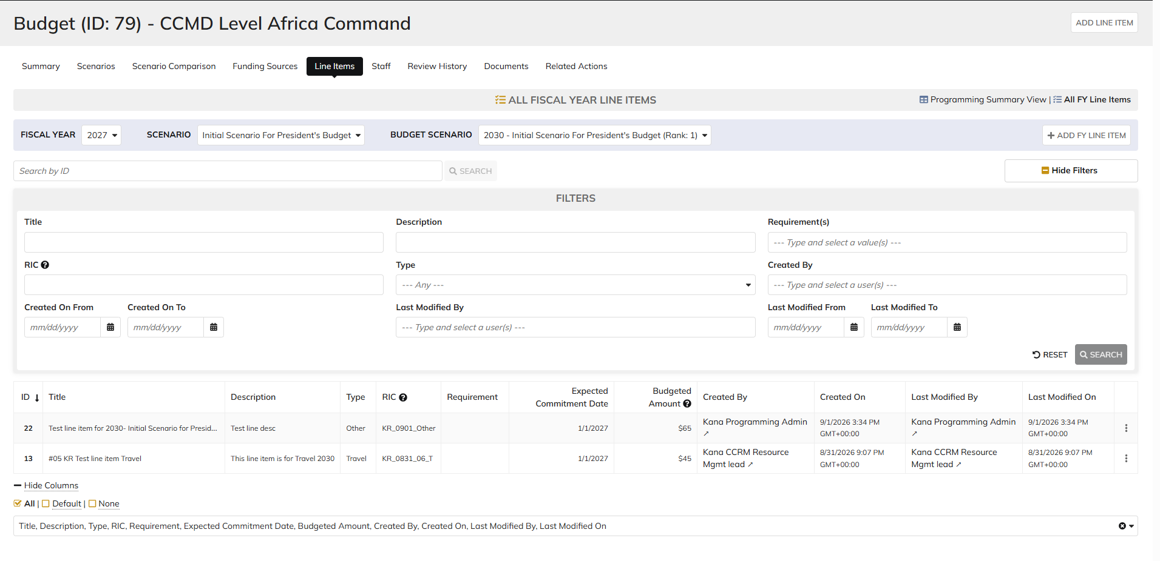



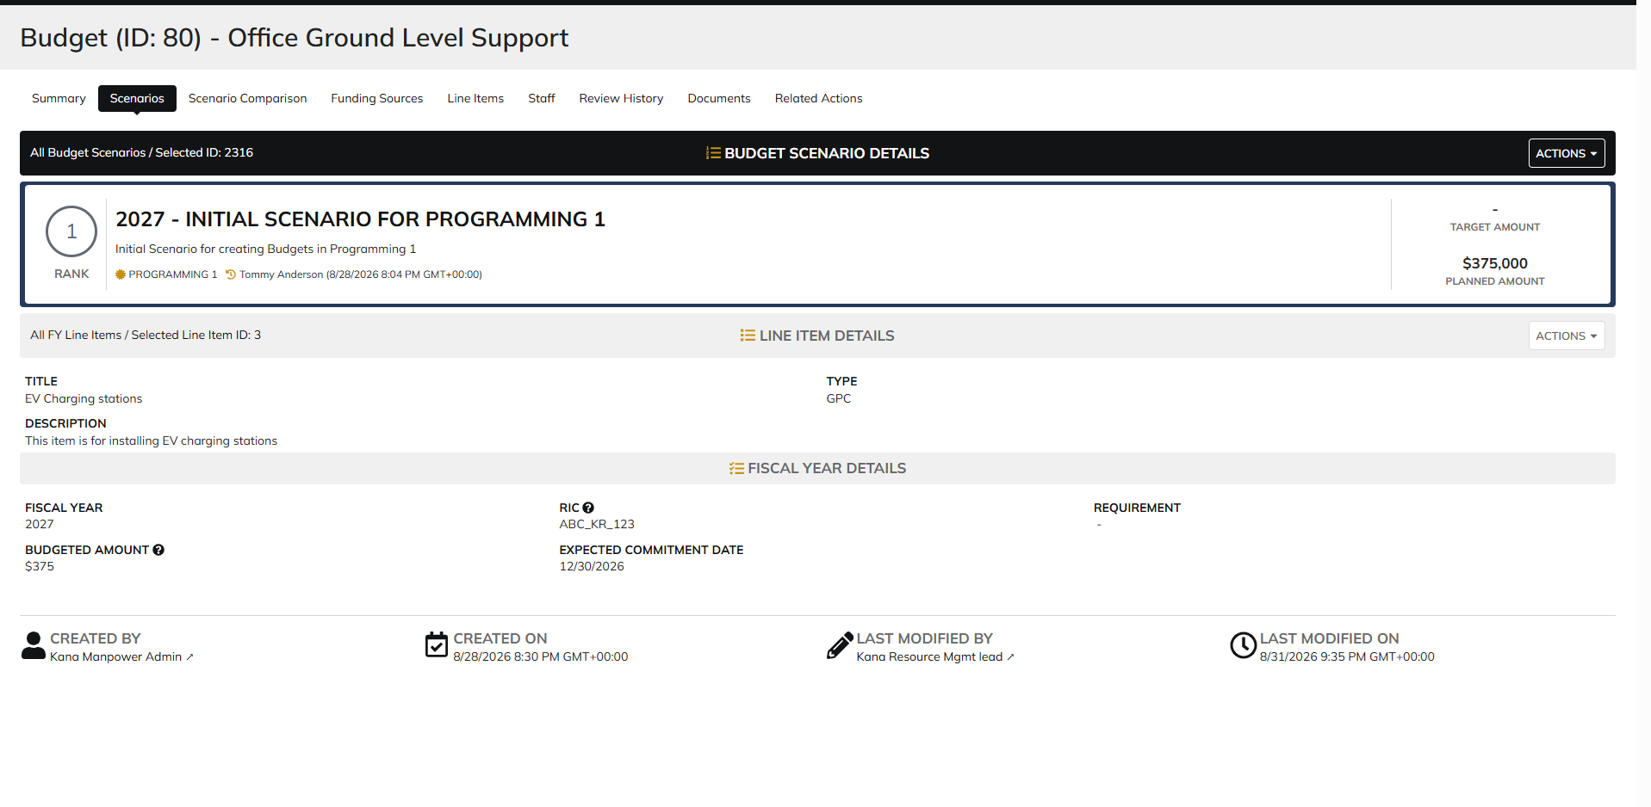

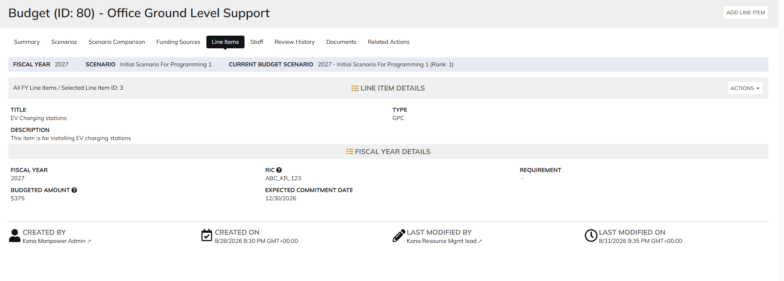

 | Login as ES Programming Admin

Execution Admin
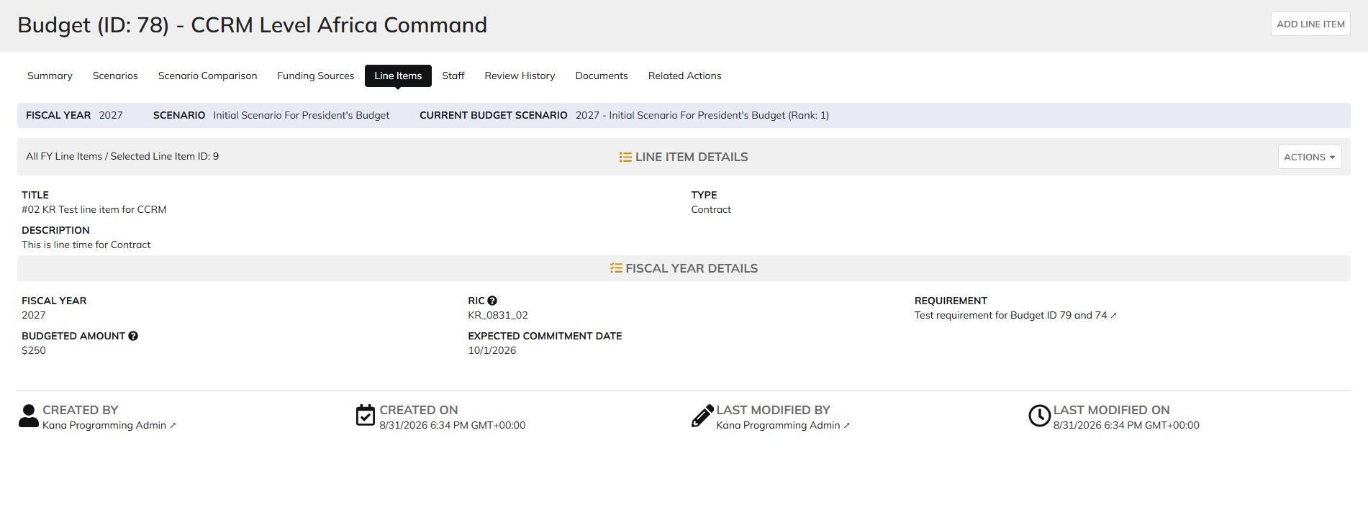

DIABPS Sprint 1.2 - DIABPS-72 TEST CASE SCENARIO |  | TESTER INFO
Test Case ID: | DIABPS_72#02 | Created By: | Kana Raghavan
Test Scenario: | A user with an appropriate role can view a planning item | Created On: | 2026-08-24
User Story: | view a Planning Line Item, Fiscal Year Specific Fields Part 1 (Planning Module) | Reviewed By: | Jordan Helman
Story Description: | As a(n) Execution Admin, Programming Admin, Manpower Admin, Resource Management Lead, Execution Lead, Programming Lead, Manpower Lead, Execution Analyst, Programming Analyst, Manpower Analyst, or Viewer at these levels - ES, DS, Service, RMO, or CCRM, I can view line items at the fiscal year level. | Reviewed On:
Environment: | GIBS Test | Executed By: | Kana Raghavan
User Role(s): | Execution Admin for (ES/DS) Org | Executed On: | 2026-09-02
Pre-Conditions: | User able to login to Planning module successfully as Execution Admin who is assigned to specific Org
Acceptance Criteria | Acceptance Criteria: The user will be able to: View a list of Line Items with the following fields: Line Item ID Title Description Line Item Type Resource Identifier Code Fiscal Year Budgeted Amount Expected Commitment Date Requirement Created By Created On Last Modified By Last Modified On Filter Line Items at the fiscal year level by any of the following which are hidden by default Title Description Line Item Type Resource Identifier Code Fiscal Year Single-select dropdown Requirement Created By Created On Last Modified By Last Modified On Within a Planning Line Item at the fiscal year level, The user can view a Summary with the following fields displayed: Title Description Line Item Type Resource Identifier Code Fiscal Year Budgeted Amount Expected Commitment Date Requirement Created By Created On Last Modified By Last Modified On

Step Number | Step Description | Input Data | Expected Results | Pass/Fail
STEP 1 | Log in as a user with Programming Admin credential. User should be assigned to a specific Org (ES/DS). https://ams-test.appiancloud.us/suite/ | Username: |  | Pass
STEP 2 | Click on GIBS Planning module on top right dropdown to launch Planning module | N/A | User able to click on dropdown and able to launch Planning module | Pass
STEP 3 | Click on Budget Tab to view budgets created associated with user Org | N/A | User able to view created budgets with ID, details, Org.code and description | Pass
STEP 4 | Click on Budget ID | N/A | Budget summary is displayed with other tabs (scenarios, line items, sceanrio comparisons, staff,history, review, related actions) | Pass
STEP 5 | Click on Scenarios and click on dollar amount on any the Planned year | N/A | User able to view scenarios summary with Formulation scenario, Budget scenarios and Year planned columns with dollar amount. User able to click on dollar amount successfully | Pass
STEP 6 | User able to view Summary banner with individual line items displayed at the bottom | N/A | User successfully able to view the summary and details | Pass
STEP 7 | User clicks on line ID | N/A | Line item and FY details displayed with user and system information | Pass
STEP 8 | User clicks on "Line Items" tab to view programming summary | N/A | User able to view Programming summary across all budget scenarios | Pass
STEP 9 | User should be able to select Formulation scenarios and Budget scenarios to view corresponding line items | N/A | User successfully selects scenarios and corresponding line items | Pass
STEP 10 | User clicks on Line ID to view details | N/A | User able to view Line and FY item details | Pass
STEP 11 |  |  |  | Pass

Evidences | Login as ES execution admin

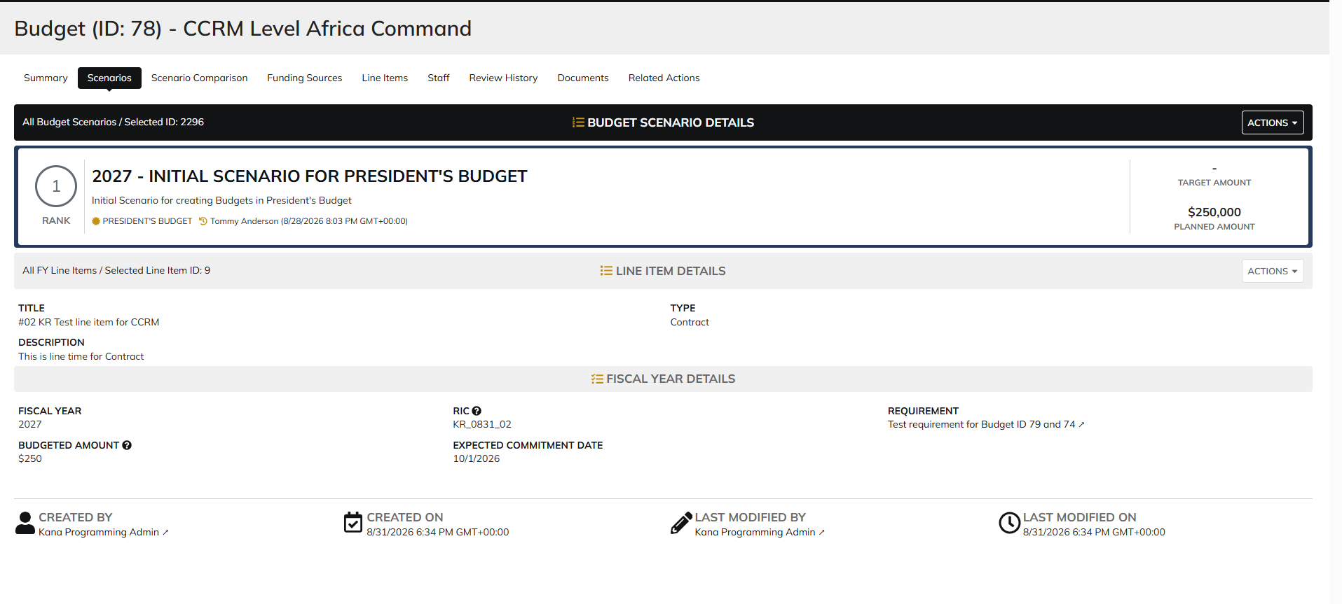

 | Programming Summary view

Manpower Admin
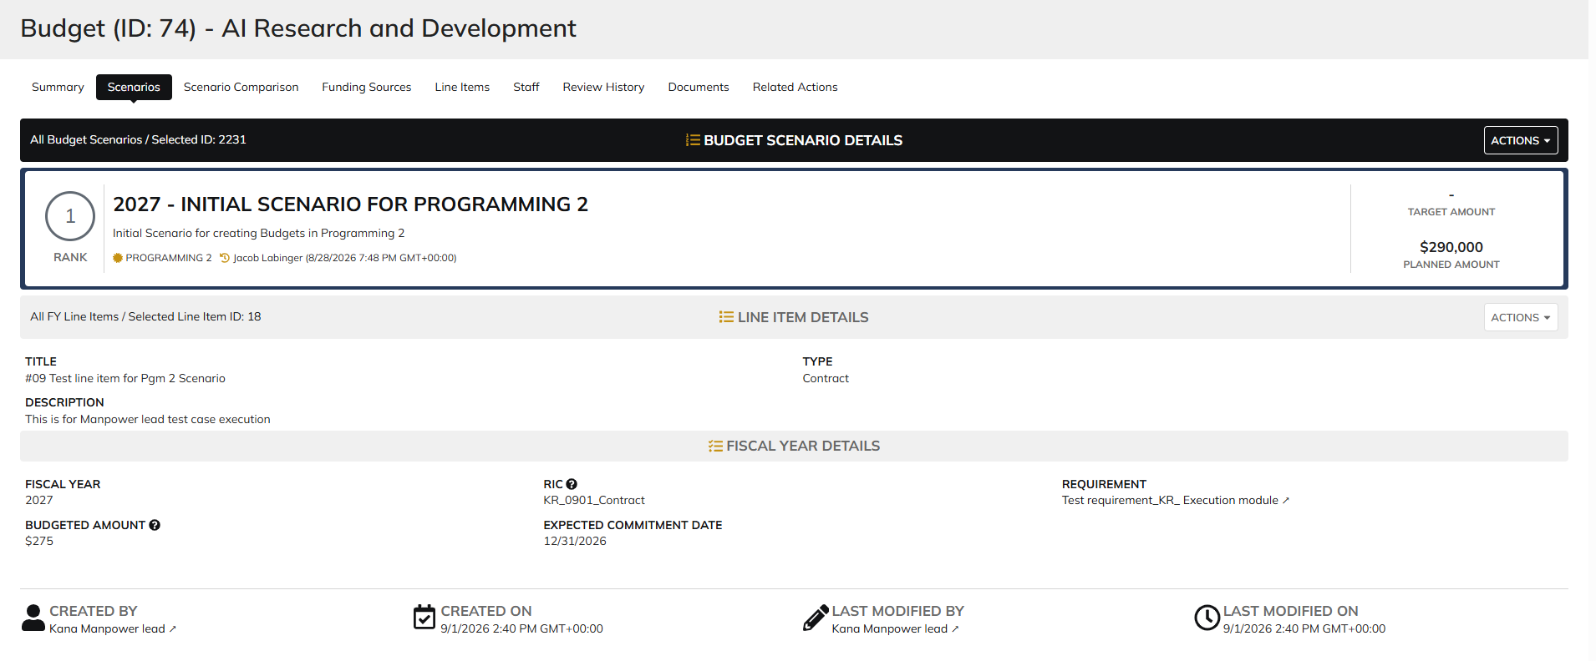
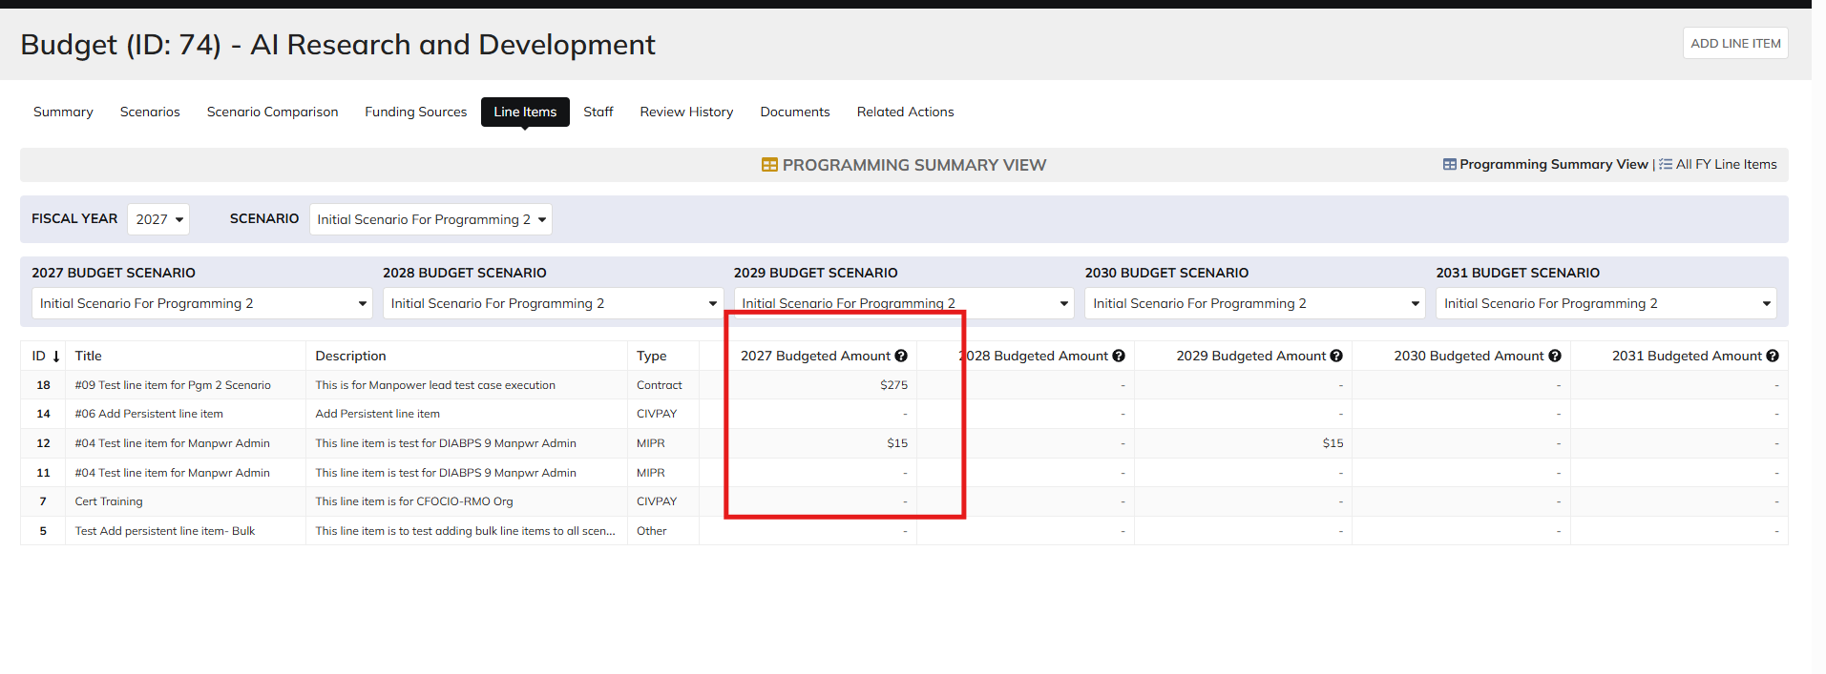
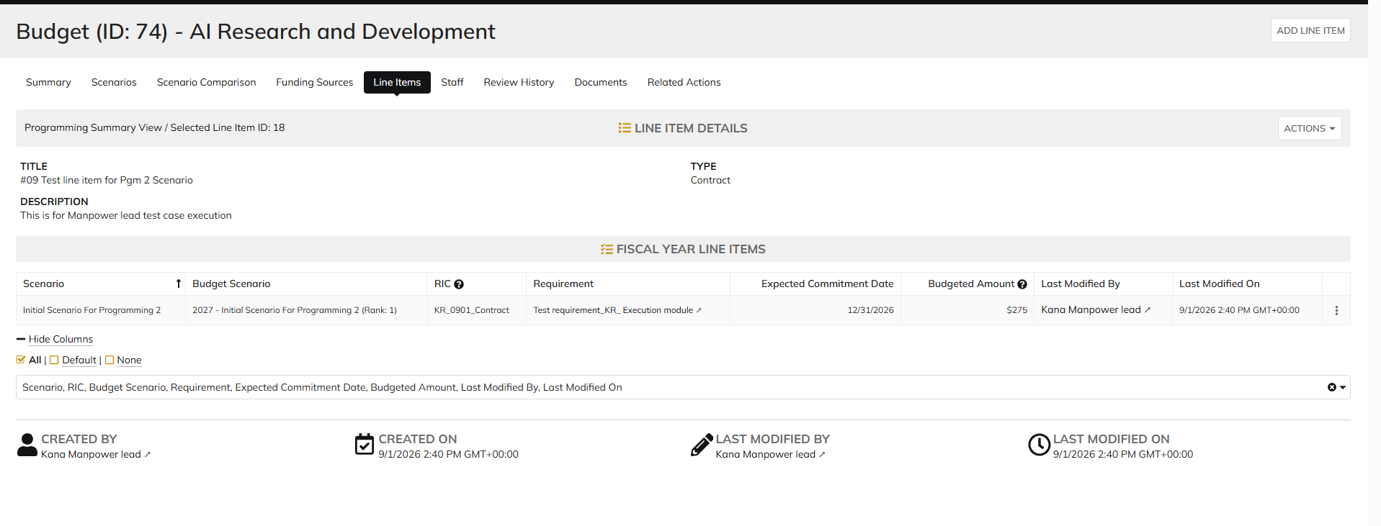
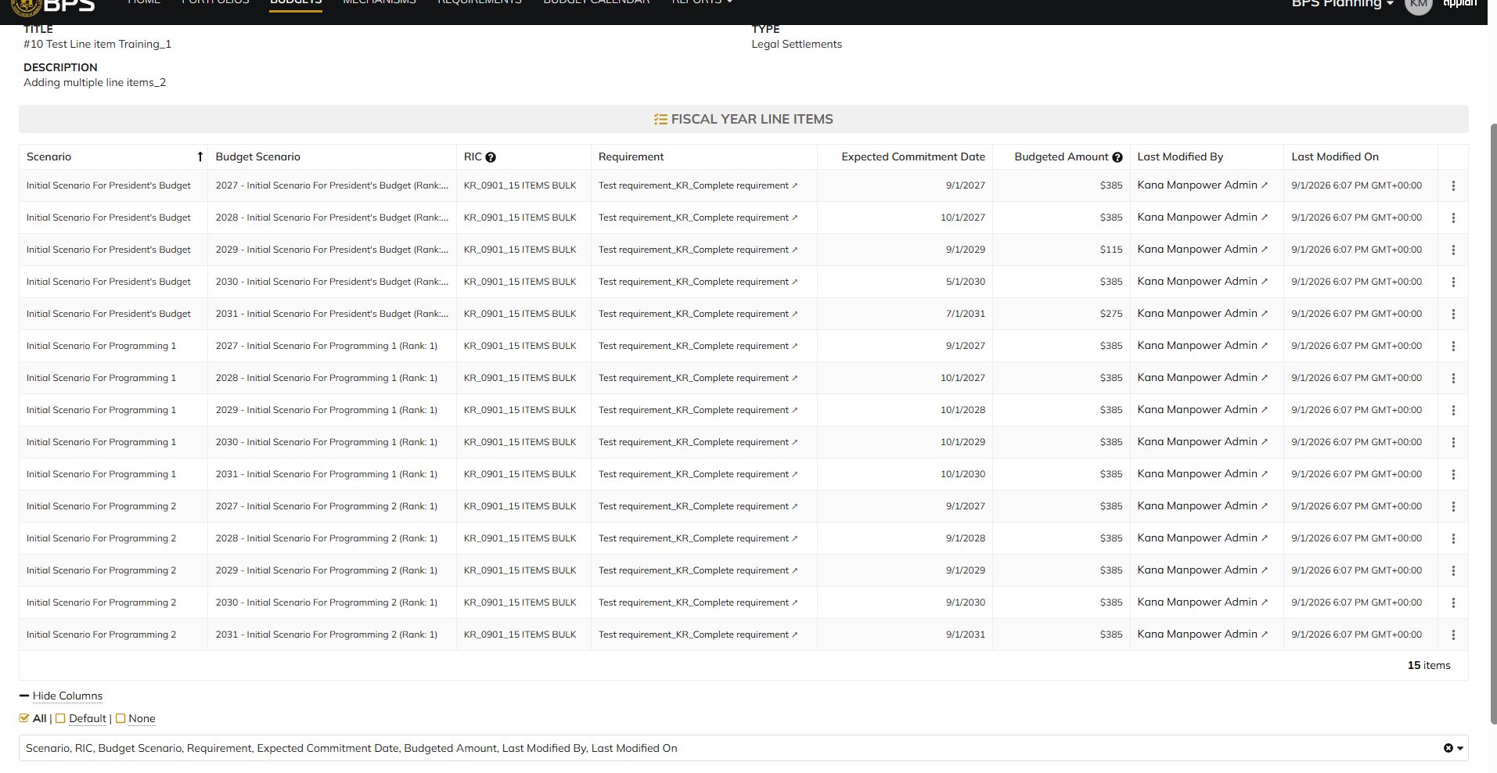
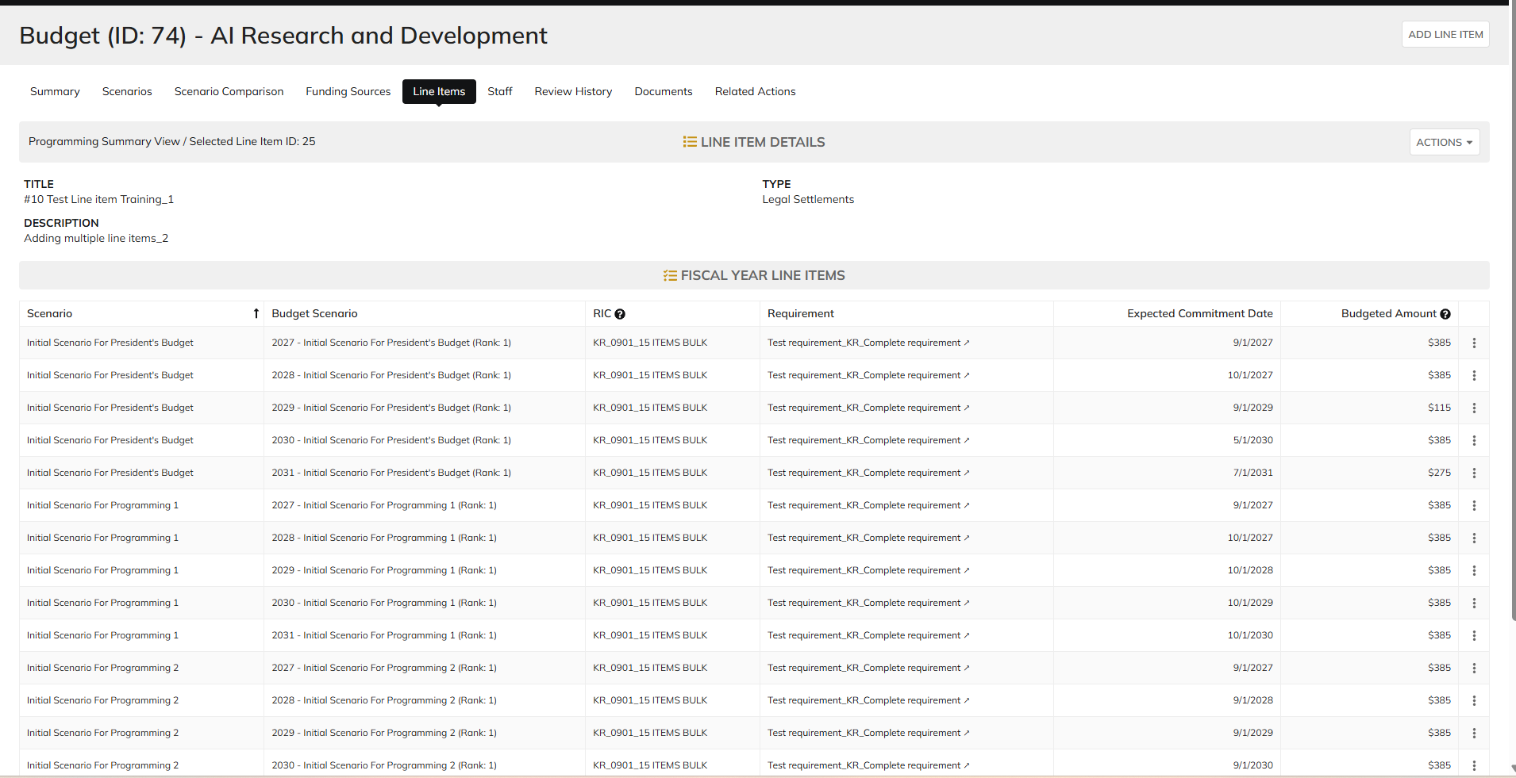
DIABPS Sprint 1.2 - DIABPS-72 TEST CASE SCENARIO |  | TESTER INFO
Test Case ID: | DIABPS_72#03 | Created By: | Kana Raghavan
Test Scenario: | A user with an appropriate role can view a planning item | Created On: | 2026-08-24
User Story: | View a Planning Line Item, Fiscal Year Specific Fields Part 1 (Planning Module) | Reviewed By: | Jordan Helman
Story Description: | As a(n) Execution Admin, Programming Admin, Manpower Admin, Resource Management Lead, Execution Lead, Programming Lead, Manpower Lead, Execution Analyst, Programming Analyst, Manpower Analyst, or Viewer at these levels - ES, DS, Service, RMO, or CCRM, I can view line items at the fiscal year level. | Reviewed On:
Environment: | GIBS Test | Executed By: | Kana Raghavan
User Role(s): | Manpower Admin for (ES/DS) Org | Executed On: | 2026-09-02
Pre-Conditions: | User able to login to Planning module successfully as Manpower Admin who is assigned to specific Org
Acceptance Criteria | Acceptance Criteria: The user will be able to: View a list of Line Items with the following fields: Line Item ID Title Description Line Item Type Resource Identifier Code Fiscal Year Budgeted Amount Expected Commitment Date Requirement Created By Created On Last Modified By Last Modified On Filter Line Items at the fiscal year level by any of the following which are hidden by default Title Description Line Item Type Resource Identifier Code Fiscal Year Single-select dropdown Requirement Created By Created On Last Modified By Last Modified On Within a Planning Line Item at the fiscal year level, The user can view a Summary with the following fields displayed: Title Description Line Item Type Resource Identifier Code Fiscal Year Budgeted Amount Expected Commitment Date Requirement Created By Created On Last Modified By Last Modified On

Step Number | Step Description | Input Data | Expected Results | Pass/Fail
STEP 1 | Log in as a user with Programming Admin credential. User should be assigned to a specific Org (ES/DS). https://ams-test.appiancloud.us/suite/ | Username: |  | Pass
STEP 2 | Click on GIBS Planning module on top right dropdown to launch Planning module | N/A | User able to click on dropdown and able to launch Planning module | Pass
STEP 3 | Click on Budget Tab to view budgets created associated with user Org | N/A | User able to view created budgets with ID, details, Org.code and description | Pass
STEP 4 | Click on Budget ID | N/A | Budget summary is displayed with other tabs (scenarios, line items, sceanrio comparisons, staff,history, review, related actions) | Pass
STEP 5 | Click on Scenarios and click on dollar amount on any the Planned year | N/A | User able to view scenarios summary with Formulation scenario, Budget scenarios and Year planned columns with dollar amount. User able to click on dollar amount successfully | Pass
STEP 6 | User able to view Summary banner with individual line items displayed at the bottom | N/A | User successfully able to view the summary and details | Pass
STEP 7 | User clicks on line ID | N/A | Line item and FY details displayed with user and system information | Pass
STEP 8 | User clicks on "Line Items" tab to view programming summary | N/A | User able to view Programming summary across all budget scenarios | Pass
STEP 9 | User should be able to select Formulation scenarios and Budget scenarios to view corresponding line items | N/A | User successfully selects scenarios and corresponding line items | Pass
STEP 10 | User clicks on Line ID to view details | N/A | User able to view Line and FY item details | Pass
STEP 11 |  |  |  | Pass

Evidences | Login as DS Manpower Admin

Resource Management lead
DIABPS Sprint 1.2 - DIABPS-72 TEST CASE SCENARIO |  | TESTER INFO
Test Case ID: | DIABPS_72#04 | Created By: | Kana Raghavan
Test Scenario: | A user with an appropriate role can view a planning item | Created On | 2026-08-24
User Story: | view a Planning Line Item, Fiscal Year Specific Fields Part 1 (Planning Module) | Reviewed By: | Jordan Helman
Story Description: | As a(n) Execution Admin, Programming Admin, Manpower Admin, Resource Management Lead, Execution Lead, Programming Lead, Manpower Lead, Execution Analyst, Programming Analyst, Manpower Analyst, or Viewer at these levels - ES, DS, Service, RMO, or CCRM, I can view line items at the fiscal year level. | Reviewed On:
Environment: | GIBS Test | Executed By: | Kana Raghavan
User Role(s): | Resource Management Lead | Executed On: | 2026-09-02
Pre-Conditions: | User able to login to Planning module successfully as Resource Mgmt lead who is assigned to specific Org
Acceptance Criteria | Acceptance Criteria: The user will be able to: View a list of Line Items with the following fields: Line Item ID Title Description Line Item Type Resource Identifier Code Fiscal Year Budgeted Amount Expected Commitment Date Requirement Created By Created On Last Modified By Last Modified On Filter Line Items at the fiscal year level by any of the following which are hidden by default Title Description Line Item Type Resource Identifier Code Fiscal Year Single-select dropdown Requirement Created By Created On Last Modified By Last Modified On Within a Planning Line Item at the fiscal year level, The user can view a Summary with the following fields displayed: Title Description Line Item Type Resource Identifier Code Fiscal Year Budgeted Amount Expected Commitment Date Requirement Created By Created On Last Modified By Last Modified On

Step Number | Step Description | Input Data | Expected Results | Pass/Fail
STEP 1 | Log in as a user with Resource Mgmt lead credential. User should be assigned to a specific Org (ES/DS). https://ams-test.appiancloud.us/suite/ | Username: |  | Pass
STEP 2 | Click on GIBS Planning module on top right dropdown to launch Planning module | N/A | User able to click on dropdown and able to launch Planning module | Pass
STEP 3 | Click on Budget Tab to view budgets created associated with user Org | N/A | User able to view created budgets with ID, details, Org.code and description | Pass
STEP 4 | Click on Budget ID | N/A | Budget summary is displayed with other tabs (scenarios, line items, sceanrio comparisons, staff,history, review, related actions) | Pass
STEP 5 | Click on Scenarios and click on dollar amount on any the Planned year | N/A | User able to view scenarios summary with Formulation scenario, Budget scenarios and Year planned columns with dollar amount. User able to click on dollar amount successfully | Pass
STEP 6 | User able to view Summary banner with individual line items displayed at the bottom | N/A | User successfully able to view the summary and details | Pass
STEP 7 | User clicks on line ID | N/A | Line item and FY details displayed with user and system information | Pass
STEP 8 | User clicks on "Line Items" tab to view programming summary | N/A | User able to view Programming summary across all budget scenarios | Pass
STEP 9 | User should be able to select Formulation scenarios and Budget scenarios to view corresponding line items | N/A | User successfully selects scenarios and corresponding line items | Pass
STEP 10 | User clicks on Line ID to view details | N/A | User able to view Line and FY item details | Pass
STEP 11 |  |  |  | Pass

Evidences | Login as USAFRICOM-CCRM resource mgmt lead

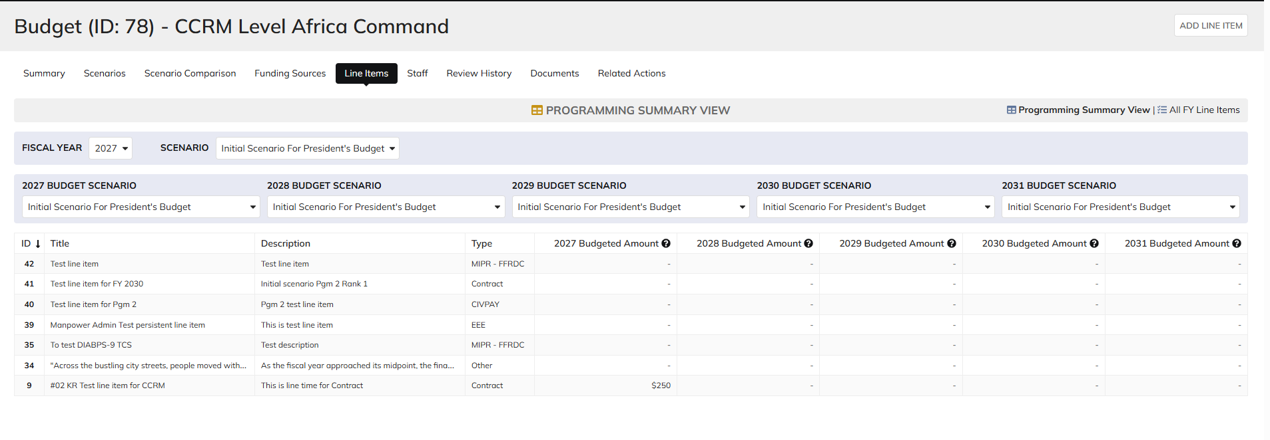

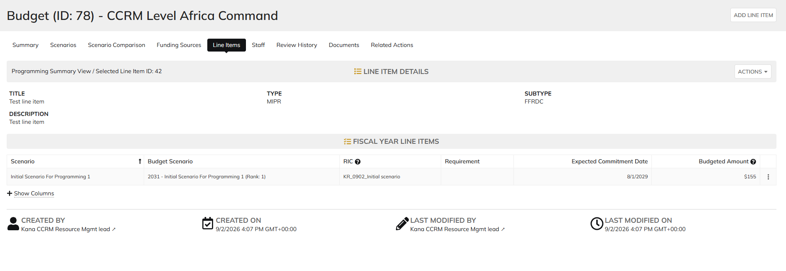

 | CFOCIO RMO user

Programming lead
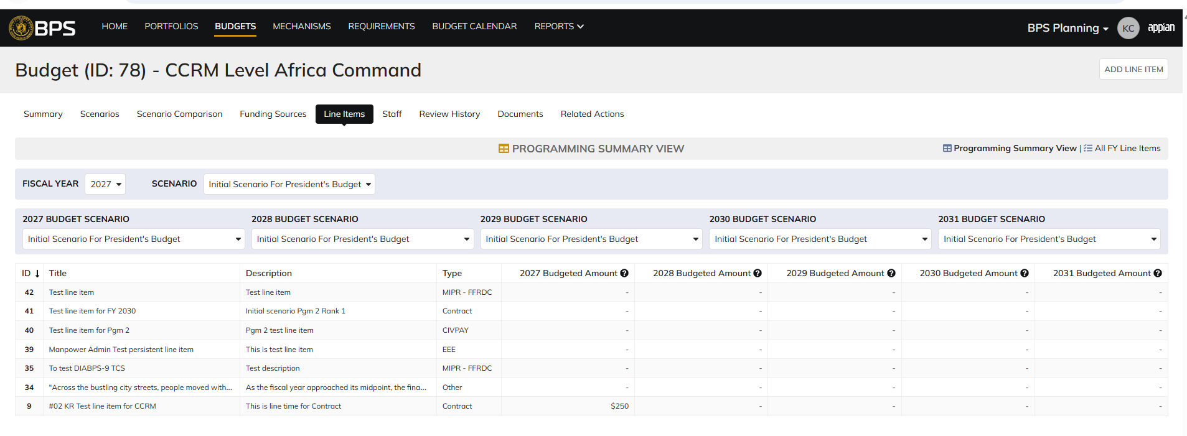
DIABPS Sprint 1.2 - DIABPS-72 TEST CASE SCENARIO |  | TESTER INFO
Test Case ID: | DIABPS_72#05 | Created By: | Kana Raghavan
Test Scenario: | A user with an appropriate role can view a planning item | Created On: | 2026-08-24
User Story: | view a Planning Line Item, Fiscal Year Specific Fields Part 1 (Planning Module) | Reviewed By: | Jordan Helman
Story Description: | As a(n) Execution Admin, Programming Admin, Manpower Admin, Resource Management Lead, Execution Lead, Programming Lead, Manpower Lead, Execution Analyst, Programming Analyst, Manpower Analyst, or Viewer at these levels - ES, DS, Service, RMO, or CCRM, I can view line items at the fiscal year level. | Reviewed On:
Environment: | GIBS Test | Executed By: | Kana Raghavan
User Role(s): | Programming lead for (ES/DS) Org | Executed On: | 2026-09-02
Pre-Conditions: | User able to login to Planning module successfully as Programming lead who is assigned to specific Org
Acceptance Criteria | Acceptance Criteria: The user will be able to: View a list of Line Items with the following fields: Line Item ID Title Description Line Item Type Resource Identifier Code Fiscal Year Budgeted Amount Expected Commitment Date Requirement Created By Created On Last Modified By Last Modified On Filter Line Items at the fiscal year level by any of the following which are hidden by default Title Description Line Item Type Resource Identifier Code Fiscal Year Single-select dropdown Requirement Created By Created On Last Modified By Last Modified On Within a Planning Line Item at the fiscal year level, The user can view a Summary with the following fields displayed: Title Description Line Item Type Resource Identifier Code Fiscal Year Budgeted Amount Expected Commitment Date Requirement Created By Created On Last Modified By Last Modified On

Step Number | Step Description | Input Data | Expected Results | Pass/Fail
STEP 1 | Log in as a user with Programming lead credential. User should be assigned to a specific Org (ES/DS). https://ams-test.appiancloud.us/suite/ | Username: |  | Pass
STEP 2 | Click on GIBS Planning module on top right dropdown to launch Planning module | N/A | User able to click on dropdown and able to launch Planning module | Pass
STEP 3 | Click on Budget Tab to view budgets created associated with user Org | N/A | User able to view created budgets with ID, details, Org.code and description | Pass
STEP 4 | Click on Budget ID | N/A | Budget summary is displayed with other tabs (scenarios, line items, sceanrio comparisons, staff,history, review, related actions) | Pass
STEP 5 | Click on Scenarios and click on dollar amount on any the Planned year | N/A | User able to view scenarios summary with Formulation scenario, Budget scenarios and Year planned columns with dollar amount. User able to click on dollar amount successfully | Pass
STEP 6 | User able to view Summary banner with individual line items displayed at the bottom | N/A | User successfully able to view the summary and details | Pass
STEP 7 | User clicks on line ID | N/A | Line item and FY details displayed with user and system information | Pass
STEP 8 | User clicks on "Line Items" tab to view programming summary | N/A | User able to view Programming summary across all budget scenarios | Pass
STEP 9 | User should be able to select Formulation scenarios and Budget scenarios to view corresponding line items | N/A | User successfully selects scenarios and corresponding line items | Pass
STEP 10 | User clicks on Line ID to view details | N/A | User able to view Line and FY item details | Pass
STEP 11 |  |  |  | Pass

Evidences
 | Login as CCRM Pgm lead

Manpower lead
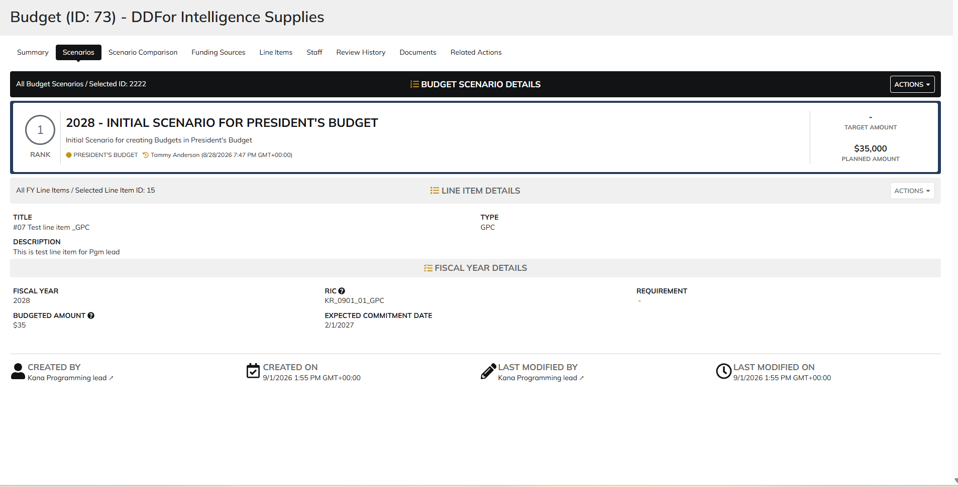
DIABPS Sprint 1.2 - DIABPS-72 TEST CASE SCENARIO |  | TESTER INFO
Test Case ID: | DIABPS_72#06 | Created By: | Kana Raghavan
Test Scenario: | A user with an appropriate role can view a planning item | Created On: | 2026-08-24
User Story: | view a Planning Line Item, Fiscal Year Specific Fields Part 1 (Planning Module) | Reviewed By: | Jordan Helman
Story Description: | As a(n) Execution Admin, Programming Admin, Manpower Admin, Resource Management Lead, Execution Lead, Programming Lead, Manpower Lead, Execution Analyst, Programming Analyst, Manpower Analyst, or Viewer at these levels - ES, DS, Service, RMO, or CCRM, I can view line items at the fiscal year level. | Reviewed On:
Environment: | GIBS Test | Executed By: | Kana Raghavan
User Role(s): | Manpower lead for RMO | Executed On: | 2026-09-02
Pre-Conditions: | User able to login to Planning module successfully as Manpower lead who is assigned to specific Org
Acceptance Criteria | Acceptance Criteria: The user will be able to: View a list of Line Items with the following fields: Line Item ID Title Description Line Item Type Resource Identifier Code Fiscal Year Budgeted Amount Expected Commitment Date Requirement Created By Created On Last Modified By Last Modified On Filter Line Items at the fiscal year level by any of the following which are hidden by default Title Description Line Item Type Resource Identifier Code Fiscal Year Single-select dropdown Requirement Created By Created On Last Modified By Last Modified On Within a Planning Line Item at the fiscal year level, The user can view a Summary with the following fields displayed: Title Description Line Item Type Resource Identifier Code Fiscal Year Budgeted Amount Expected Commitment Date Requirement Created By Created On Last Modified By Last Modified On

Step Number | Step Description | Input Data | Expected Results | Pass/Fail
STEP 1 | Log in as a user with Manpower lead credential. User should be assigned to a specific Org (ES/DS). https://ams-test.appiancloud.us/suite/ | Username: |  | Pass
STEP 2 | Click on GIBS Planning module on top right dropdown to launch Planning module | N/A | User able to click on dropdown and able to launch Planning module | Pass
STEP 3 | Click on Budget Tab to view budgets created associated with user Org | N/A | User able to view created budgets with ID, details, Org.code and description | Pass
STEP 4 | Click on Budget ID | N/A | Budget summary is displayed with other tabs (scenarios, line items, sceanrio comparisons, staff,history, review, related actions) | Pass
STEP 5 | Click on Scenarios and click on dollar amount on any the Planned year | N/A | User able to view scenarios summary with Formulation scenario, Budget scenarios and Year planned columns with dollar amount. User able to click on dollar amount successfully | Pass
STEP 6 | User able to view Summary banner with individual line items displayed at the bottom | N/A | User successfully able to view the summary and details | Pass
STEP 7 | User clicks on line ID | N/A | Line item and FY details displayed with user and system information | Pass
STEP 8 | User clicks on "Line Items" tab to view programming summary | N/A | User able to view Programming summary across all budget scenarios | Pass
STEP 9 | User should be able to select Formulation scenarios and Budget scenarios to view corresponding line items | N/A | User successfully selects scenarios and corresponding line items | Pass
STEP 10 | User clicks on Line ID to view details | N/A | User able to view Line and FY item details | Pass
STEP 11 |  |  |  | Pass

Evidences

Execution lead
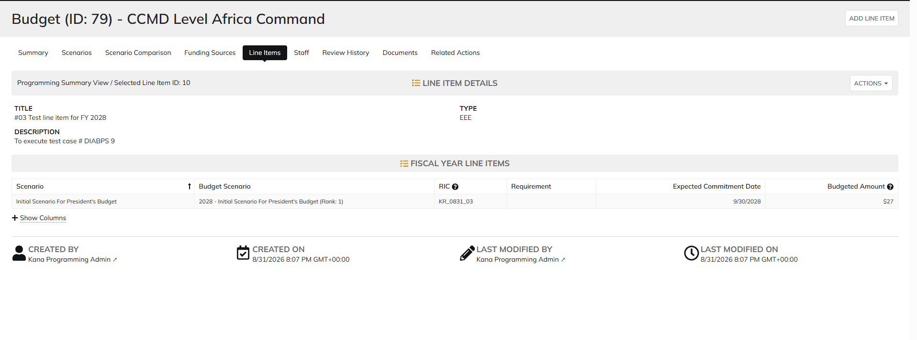
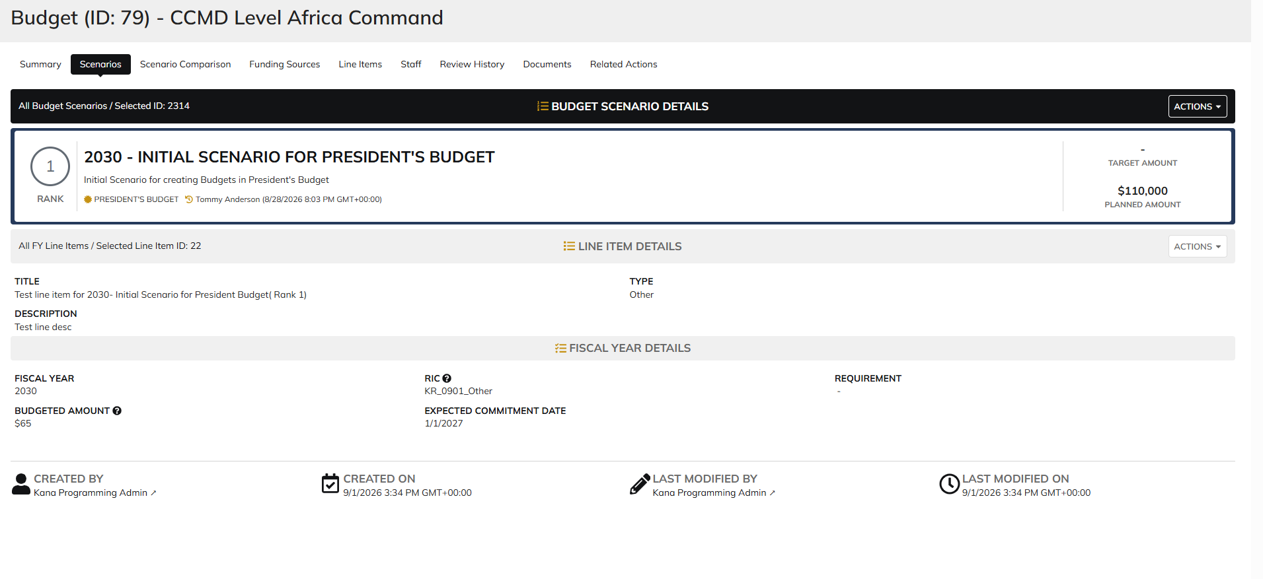
DIABPS Sprint 1.2 - DIABPS-72 TEST CASE SCENARIO |  | TESTER INFO
Test Case ID: | DIABPS_72#07 | Created By: | Kana Raghavan
Test Scenario: | A user with an appropriate role can view a planning item | Created On: | 2026-08-24
User Story: | view a Planning Line Item, Fiscal Year Specific Fields Part 1 (Planning Module) | Reviewed By: | Jordan Helman
Story Description: | As a(n) Execution Admin, Programming Admin, Manpower Admin, Resource Management Lead, Execution Lead, Programming Lead, Manpower Lead, Execution Analyst, Programming Analyst, Manpower Analyst, or Viewer at these levels - ES, DS, Service, RMO, or CCRM, I can view line items at the fiscal year level. | Reviewed On:
Environment: | GIBS Test | Executed By: | Kana Raghavan
User Role(s): | Execution lead for (RMO/Services) | Executed On: | 2026-09-02
Pre-Conditions: | User able to login to Planning module successfully as Execution lead who is assigned to specific Org
Acceptance Criteria | Acceptance Criteria: The user will be able to: View a list of Line Items with the following fields: Line Item ID Title Description Line Item Type Resource Identifier Code Fiscal Year Budgeted Amount Expected Commitment Date Requirement Created By Created On Last Modified By Last Modified On Filter Line Items at the fiscal year level by any of the following which are hidden by default Title Description Line Item Type Resource Identifier Code Fiscal Year Single-select dropdown Requirement Created By Created On Last Modified By Last Modified On Within a Planning Line Item at the fiscal year level, The user can view a Summary with the following fields displayed: Title Description Line Item Type Resource Identifier Code Fiscal Year Budgeted Amount Expected Commitment Date Requirement Created By Created On Last Modified By Last Modified On

Step Number | Step Description | Input Data | Expected Results | Pass/Fail
STEP 1 | Log in as a user with Execution lead credential. User should be assigned to a specific Org (ES/DS). https://ams-test.appiancloud.us/suite/ | Username: |  | Pass
STEP 2 | Click on GIBS Planning module on top right dropdown to launch Planning module | N/A | User able to click on dropdown and able to launch Planning module | Pass
STEP 3 | Click on Budget Tab to view budgets created associated with user Org | N/A | User able to view created budgets with ID, details, Org.code and description | Pass
STEP 4 | Click on Budget ID | N/A | Budget summary is displayed with other tabs (scenarios, line items, sceanrio comparisons, staff,history, review, related actions) | Pass
STEP 5 | Click on Scenarios and click on dollar amount on any the Planned year | N/A | User able to view scenarios summary with Formulation scenario, Budget scenarios and Year planned columns with dollar amount. User able to click on dollar amount successfully | Pass
STEP 6 | User able to view Summary banner with individual line items displayed at the bottom | N/A | User successfully able to view the summary and details | Pass
STEP 7 | User clicks on line ID | N/A | Line item and FY details displayed with user and system information | Pass
STEP 8 | User clicks on "Line Items" tab to view programming summary | N/A | User able to view Programming summary across all budget scenarios | Pass
STEP 9 | User should be able to select Formulation scenarios and Budget scenarios to view corresponding line items | N/A | User successfully selects scenarios and corresponding line items | Pass
STEP 10 | User clicks on Line ID to view details | N/A | User able to view Line and FY item details | Pass
STEP 11 |  |  |  | Pass

Evidences | SMO Execution Lead

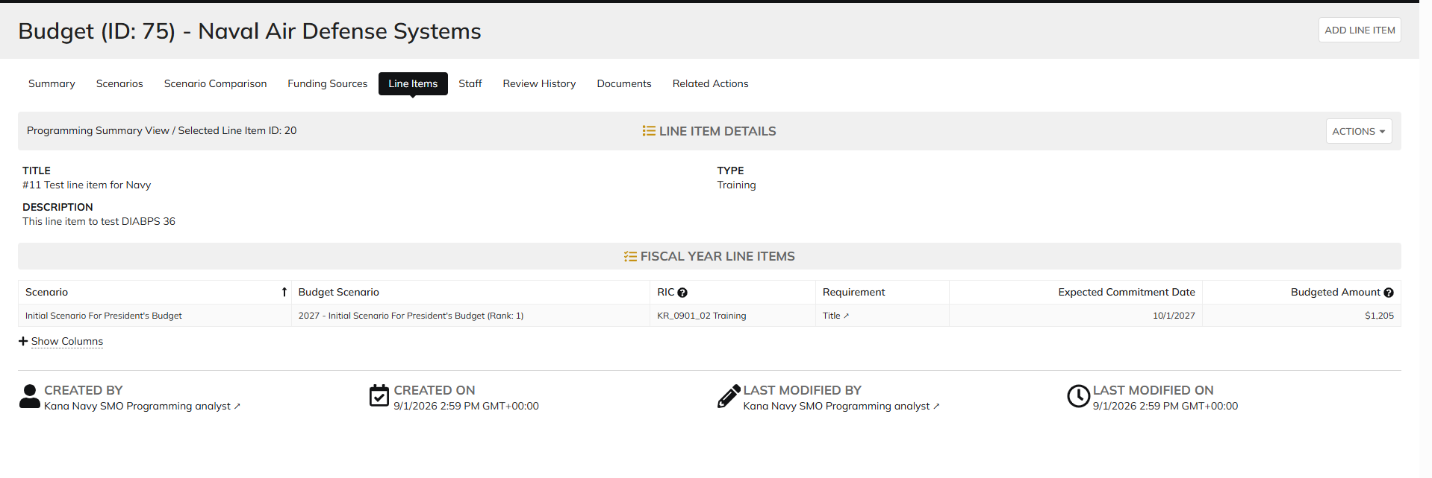

 | CCRM Execution Lead

Programming Analyst
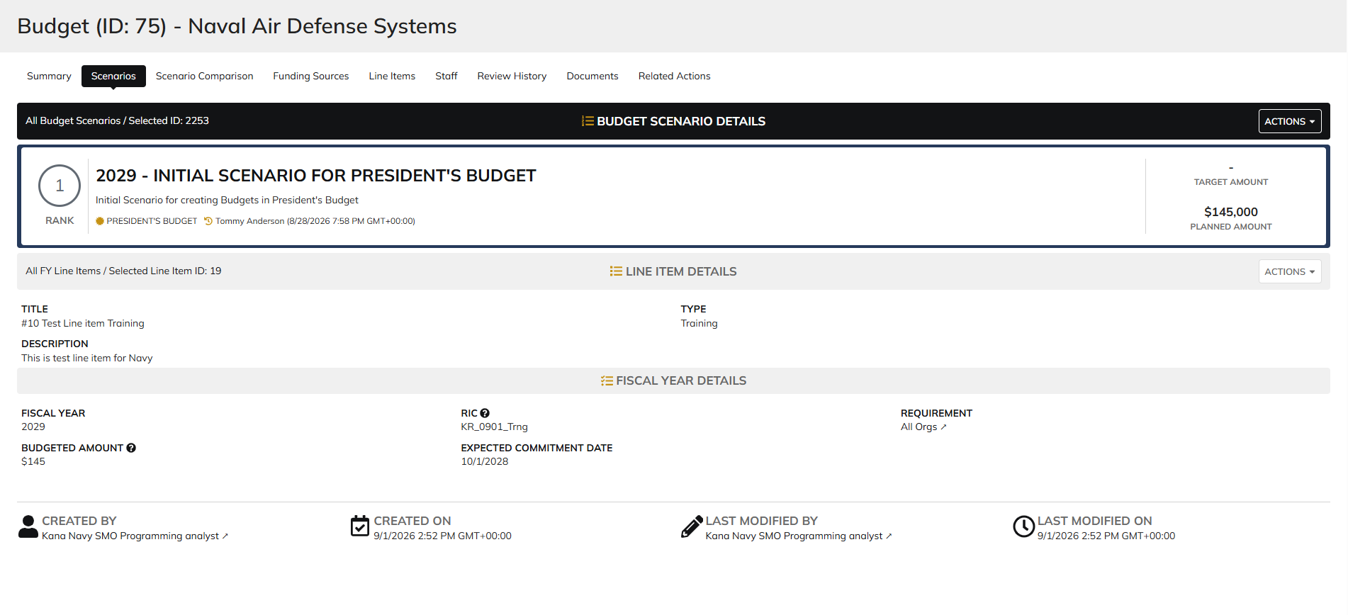
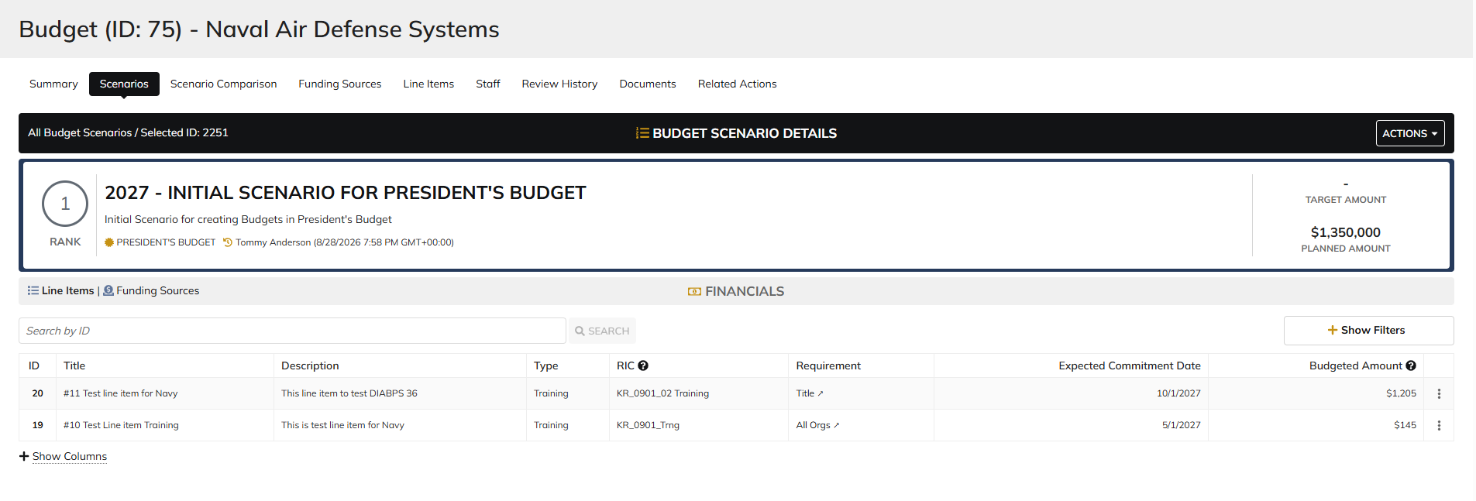
DIABPS Sprint 1.2 - DIABPS-72 TEST CASE SCENARIO |  | TESTER INFO
Test Case ID: | DIABPS_72#08 | Created By: | Kana Raghavan
Test Scenario: | A user with an appropriate role can view a planning item | Created On: | 2026-08-24
User Story: | view a Planning Line Item, Fiscal Year Specific Fields Part 1 (Planning Module) | Reviewed By: | Jordan Helman
Story Description: | As a(n) Execution Admin, Programming Admin, Manpower Admin, Resource Management Lead, Execution Lead, Programming Lead, Manpower Lead, Execution Analyst, Programming Analyst, Manpower Analyst, or Viewer at these levels - ES, DS, Service, RMO, or CCRM, I can view line items at the fiscal year level. | Reviewed On:
Environment: | GIBS Test | Executed By: | Kana Raghavan
User Role(s): | Programming Analyst for ES/DS Org | Executed On: | 2026-09-02
Pre-Conditions: | User able to login to Planning module successfully as Programming Analyst who is assigned to specific Org
Acceptance Criteria | Acceptance Criteria: The user will be able to: View a list of Line Items with the following fields: Line Item ID Title Description Line Item Type Resource Identifier Code Fiscal Year Budgeted Amount Expected Commitment Date Requirement Created By Created On Last Modified By Last Modified On Filter Line Items at the fiscal year level by any of the following which are hidden by default Title Description Line Item Type Resource Identifier Code Fiscal Year Single-select dropdown Requirement Created By Created On Last Modified By Last Modified On Within a Planning Line Item at the fiscal year level, The user can view a Summary with the following fields displayed: Title Description Line Item Type Resource Identifier Code Fiscal Year Budgeted Amount Expected Commitment Date Requirement Created By Created On Last Modified By Last Modified On

Step Number | Step Description | Input Data | Expected Results | Pass/Fail
STEP 1 | Log in as a user with Programming Analyst credential. User should be assigned to a specific Org (ES/DS). https://ams-test.appiancloud.us/suite/ | Username: |  | Pass
STEP 2 | Click on GIBS Planning module on top right dropdown to launch Planning module | N/A | User able to click on dropdown and able to launch Planning module | Pass
STEP 3 | Click on Budget Tab to view budgets created associated with user Org | N/A | User able to view created budgets with ID, details, Org.code and description | Pass
STEP 4 | Click on Budget ID | N/A | Budget summary is displayed with other tabs (scenarios, line items, sceanrio comparisons, staff,history, review, related actions) | Pass
STEP 5 | Click on Scenarios and click on dollar amount on any the Planned year | N/A | User able to view scenarios summary with Formulation scenario, Budget scenarios and Year planned columns with dollar amount. User able to click on dollar amount successfully | Pass
STEP 6 | User able to view Summary banner with individual line items displayed at the bottom | N/A | User successfully able to view the summary and details | Pass
STEP 7 | User clicks on line ID | N/A | Line item and FY details displayed with user and system information | Pass
STEP 8 | User clicks on "Line Items" tab to view programming summary | N/A | User able to view Programming summary across all budget scenarios | Pass
STEP 9 | User should be able to select Formulation scenarios and Budget scenarios to view corresponding line items | N/A | User successfully selects scenarios and corresponding line items | Pass
STEP 10 | User clicks on Line ID to view details | N/A | User able to view Line and FY item details | Pass
STEP 11 |  |  |  | Pass

Evidences | Login as SMO Programming Analyst

Manpower Analyst
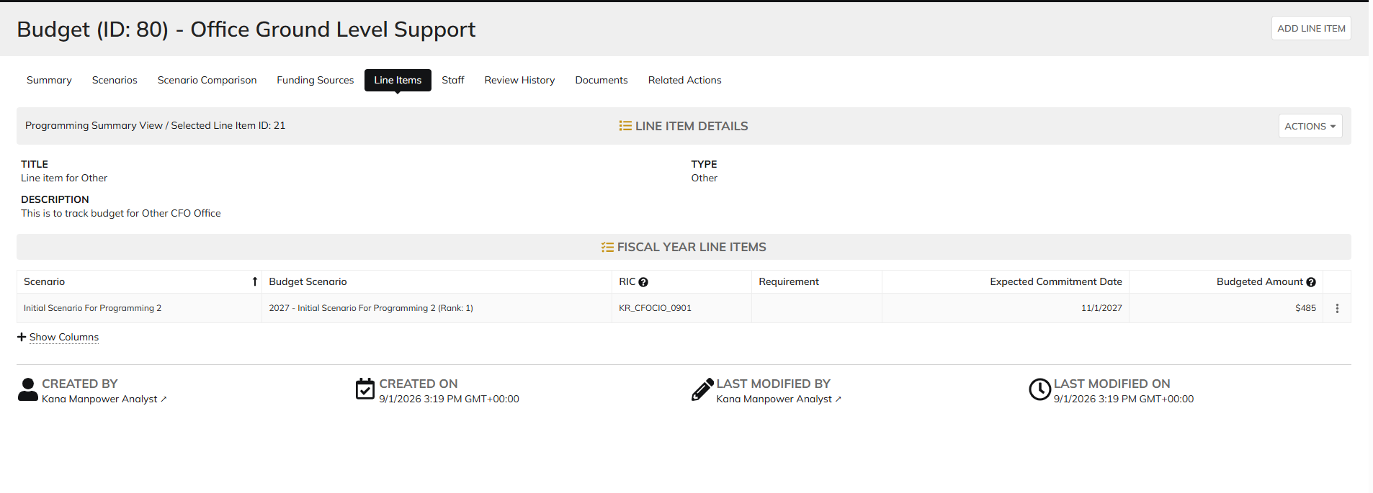
DIABPS Sprint 1.2 - DIABPS-72 TEST CASE SCENARIO |  | TESTER INFO
Test Case ID: | DIABPS_72#09 | Created By: | Kana Raghavan
Test Scenario: | A user with an appropriate role can view a planning item | Created On: | 2026-08-24
User Story: | view a Planning Line Item, Fiscal Year Specific Fields Part 1 (Planning Module) | Reviewed By: | Jordan Helman
Story Description: | As a(n) Execution Admin, Programming Admin, Manpower Admin, Resource Management Lead, Execution Lead, Programming Lead, Manpower Lead, Execution Analyst, Programming Analyst, Manpower Analyst, or Viewer at these levels - ES, DS, Service, RMO, or CCRM, I can view line items at the fiscal year level. | Reviewed On:
Environment: | GIBS Test | Executed By: | Kana Raghavan
User Role(s): | Manpower Analyst for RMO | Executed On: | 2026-09-02
Pre-Conditions: | User able to login to Planning module successfully As Manpower Analyst who is assigned to specific Org
Acceptance Criteria | Acceptance Criteria: The user will be able to: View a list of Line Items with the following fields: Line Item ID Title Description Line Item Type Resource Identifier Code Fiscal Year Budgeted Amount Expected Commitment Date Requirement Created By Created On Last Modified By Last Modified On Filter Line Items at the fiscal year level by any of the following which are hidden by default Title Description Line Item Type Resource Identifier Code Fiscal Year Single-select dropdown Requirement Created By Created On Last Modified By Last Modified On Within a Planning Line Item at the fiscal year level, The user can view a Summary with the following fields displayed: Title Description Line Item Type Resource Identifier Code Fiscal Year Budgeted Amount Expected Commitment Date Requirement Created By Created On Last Modified By Last Modified On

Step Number | Step Description | Input Data | Expected Results | Pass/Fail
STEP 1 | Log in as a user with Manpower Analyst credential. User should be assigned to a specific Org (ES/DS). https://ams-test.appiancloud.us/suite/ | Username: |  | Pass
STEP 2 | Click on GIBS Planning module on top right dropdown to launch Planning module | N/A | User able to click on dropdown and able to launch Planning module | Pass
STEP 3 | Click on Budget Tab to view budgets created associated with user Org | N/A | User able to view created budgets with ID, details, Org.code and description | Pass
STEP 4 | Click on Budget ID | N/A | Budget summary is displayed with other tabs (scenarios, line items, sceanrio comparisons, staff,history, review, related actions) | Pass
STEP 5 | Click on Scenarios and click on dollar amount on any the Planned year | N/A | User able to view scenarios summary with Formulation scenario, Budget scenarios and Year planned columns with dollar amount. User able to click on dollar amount successfully | Pass
STEP 6 | User able to view Summary banner with individual line items displayed at the bottom | N/A | User successfully able to view the summary and details | Pass
STEP 7 | User clicks on line ID | N/A | Line item and FY details displayed with user and system information | Pass
STEP 8 | User clicks on "Line Items" tab to view programming summary | N/A | User able to view Programming summary across all budget scenarios | Pass
STEP 9 | User should be able to select Formulation scenarios and Budget scenarios to view corresponding line items | N/A | User successfully selects scenarios and corresponding line items | Pass
STEP 10 | User clicks on Line ID to view details | N/A | User able to view Line and FY item details | Pass
STEP 11 |  |  |  | Pass
 |  |  |  | Pass

Evidences
 | Login as CFOCIO RMO Manpower Analyst

Execution Analyst
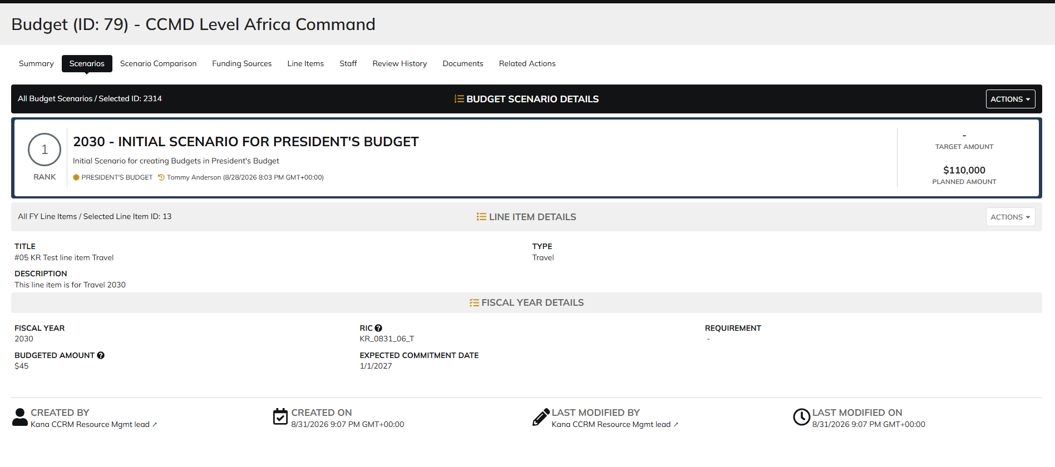
DIABPS Sprint 1.2 - DIABPS-72 TEST CASE SCENARIO |  | TESTER INFO
Test Case ID: | DIABPS_72#10 | Created By: | Kana Raghavan
Test Scenario: | A user with an appropriate role can view a planning item | Created on: | 2026-08-24
User Story: | view a Planning Line Item, Fiscal Year Specific Fields Part 1 (Planning Module) | Reviewed By: | Jordan Helman
Story Description: | As a(n) Execution Admin, Programming Admin, Manpower Admin, Resource Management Lead, Execution Lead, Programming Lead, Manpower Lead, Execution Analyst, Programming Analyst, Manpower Analyst, or Viewer at these levels - ES, DS, Service, RMO, or CCRM, I can view line items at the fiscal year level. | Reviewed On:
Environment: | GIBS Test | Executed By: | Kana Raghavan
User Role(s): | Execution Analyst for DS/ES | Executed On: | 2026-09-02
Pre-Conditions: | User able to login to Planning module successfully As Manpower Analyst who is assigned to specific Org
Acceptance Criteria | Acceptance Criteria: The user will be able to: View a list of Line Items with the following fields: Line Item ID Title Description Line Item Type Resource Identifier Code Fiscal Year Budgeted Amount Expected Commitment Date Requirement Created By Created On Last Modified By Last Modified On Filter Line Items at the fiscal year level by any of the following which are hidden by default Title Description Line Item Type Resource Identifier Code Fiscal Year Single-select dropdown Requirement Created By Created On Last Modified By Last Modified On Within a Planning Line Item at the fiscal year level, The user can view a Summary with the following fields displayed: Title Description Line Item Type Resource Identifier Code Fiscal Year Budgeted Amount Expected Commitment Date Requirement Created By Created On Last Modified By Last Modified On

Step Number | Step Description | Input Data | Expected Results | Pass/Fail
STEP 1 | Log in as a user withExecution Analyst credential. User should be assigned to a specific Org (ES/DS). https://ams-test.appiancloud.us/suite/ | Username: |  | Pass
STEP 2 | Click on GIBS Planning module on top right dropdown to launch Planning module | N/A | User able to click on dropdown and able to launch Planning module | Pass
STEP 3 | Click on Budget Tab to view budgets created associated with user Org | N/A | User able to view created budgets with ID, details, Org.code and description | Pass
STEP 4 | Click on Budget ID | N/A | Budget summary is displayed with other tabs (scenarios, line items, sceanrio comparisons, staff,history, review, related actions) | Pass
STEP 5 | Click on Scenarios and click on dollar amount on any the Planned year | N/A | User able to view scenarios summary with Formulation scenario, Budget scenarios and Year planned columns with dollar amount. User able to click on dollar amount successfully | Pass
STEP 6 | User able to view Summary banner with individual line items displayed at the bottom | N/A | User successfully able to view the summary and details | Pass
STEP 7 | User clicks on line ID | N/A | Line item and FY details displayed with user and system information | Pass
STEP 8 | User clicks on "Line Items" tab to view programming summary | N/A | User able to view Programming summary across all budget scenarios | Pass
STEP 9 | User should be able to select Formulation scenarios and Budget scenarios to view corresponding line items | N/A | User successfully selects scenarios and corresponding line items | Pass
STEP 10 | User clicks on Line ID to view details | N/A | User able to view Line and FY item details | Pass
STEP 11 |  |  |  | Pass

Evidences | Login as CCRM Execution Analyst

Viewer
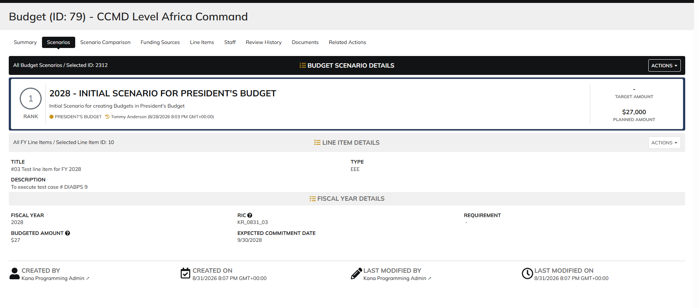
DIABPS Sprint 1.2 - DIABPS-72 TEST CASE SCENARIO |  | TESTER INFO
Test Case ID: | DIABPS_72#11 | Created By: | Kana Raghavan
Test Scenario: | A user with an appropriate role can view a planning item | Created on: | 2026-08-24
User Story: | view a Planning Line Item, Fiscal Year Specific Fields Part 1 (Planning Module) | Reviewed By: | Jordan Helman
Story Description: | As a(n) Execution Admin, Programming Admin, Manpower Admin, Resource Management Lead, Execution Lead, Programming Lead, Manpower Lead, Execution Analyst, Programming Analyst, Manpower Analyst, or Viewer at these levels - ES, DS, Service, RMO, or CCRM, I can view line items at the fiscal year level. | Reviewed On:
Environment: | GIBS Test | Executed By: | Kana Raghavan
User Role(s): | Viewer (ES/DS/Services/RMO/CCRM/Office/DDFor/CCMD) | Executed On: | 2026-09-03
Pre-Conditions: | User able to login to Planning module successfully as Viewer who is assigned to specific Org
Acceptance Criteria | Acceptance Criteria: The user will be able to: View a list of Line Items with the following fields: Line Item ID Title Description Line Item Type Resource Identifier Code Fiscal Year Budgeted Amount Expected Commitment Date Requirement Created By Created On Last Modified By Last Modified On Filter Line Items at the fiscal year level by any of the following which are hidden by default Title Description Line Item Type Resource Identifier Code Fiscal Year Single-select dropdown Requirement Created By Created On Last Modified By Last Modified On Within a Planning Line Item at the fiscal year level, The user can view a Summary with the following fields displayed: Title Description Line Item Type Resource Identifier Code Fiscal Year Budgeted Amount Expected Commitment Date Requirement Created By Created On Last Modified By Last Modified On

Step Number | Step Description | Input Data | Expected Results | Pass/Fail
STEP 1 | Log in as a user with Viewer credential. User should be assigned to a specific Org (ES/DS). https://ams-test.appiancloud.us/suite/ | Username: |  | Pass
STEP 2 | Click on GIBS Planning module on top right dropdown to launch Planning module | N/A | User able to click on dropdown and able to launch Planning module | Pass
STEP 3 | Click on Budget Tab to view budgets created associated with user Org | N/A | User able to view created budgets with ID, details, Org.code and description | Pass
STEP 4 | Click on Budget ID | N/A | Budget summary is displayed with other tabs (scenarios, line items, sceanrio comparisons, staff,history, review, related actions) | Pass
STEP 5 | Click on Scenarios and click on dollar amount on any the Planned year | N/A | User able to view scenarios summary with Formulation scenario, Budget scenarios and Year planned columns with dollar amount. User able to click on dollar amount successfully | Pass
STEP 6 | User able to view Summary banner with individual line items displayed at the bottom | N/A | User successfully able to view the summary and details | Pass
STEP 7 | User clicks on line ID | N/A | Line item and FY details displayed with user and system information | Pass
STEP 8 | User clicks on "Line Items" tab to view programming summary | N/A | User able to view Programming summary across all budget scenarios | Pass
STEP 9 | User should be able to select Formulation scenarios and Budget scenarios to view corresponding line items | N/A | User successfully selects scenarios and corresponding line items | Pass
STEP 10 | User clicks on Line ID to view details | N/A | User able to view Line and FY item details | Pass

Evidences | Login as DS Viewer

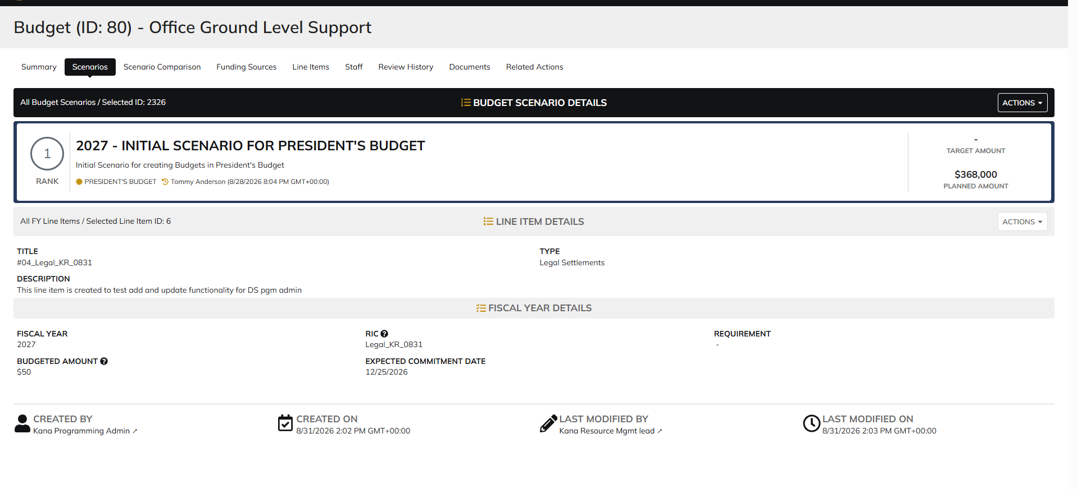

 | Login as ES Viewer

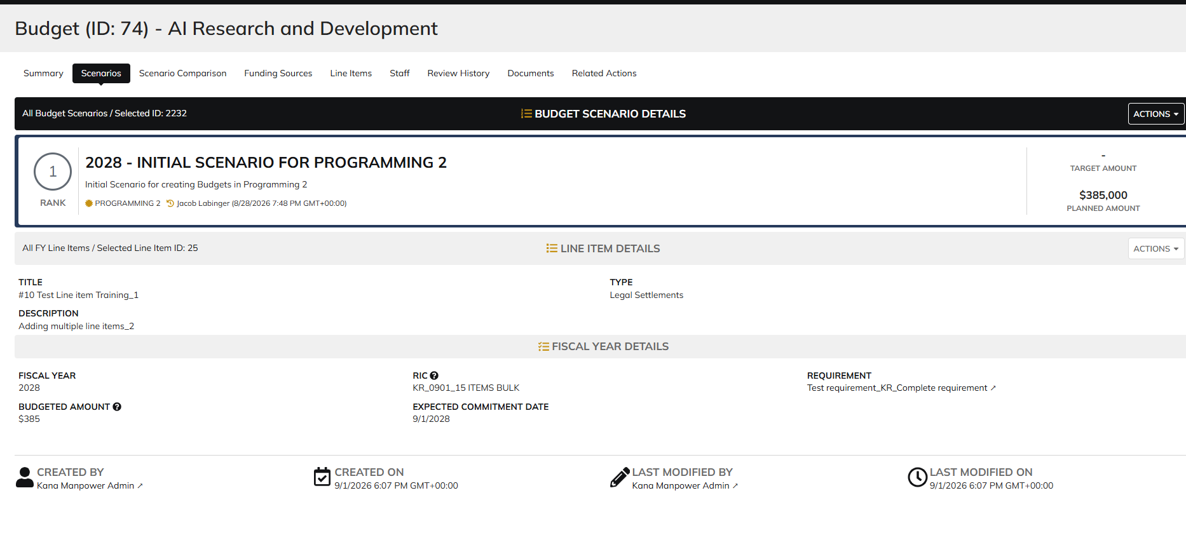

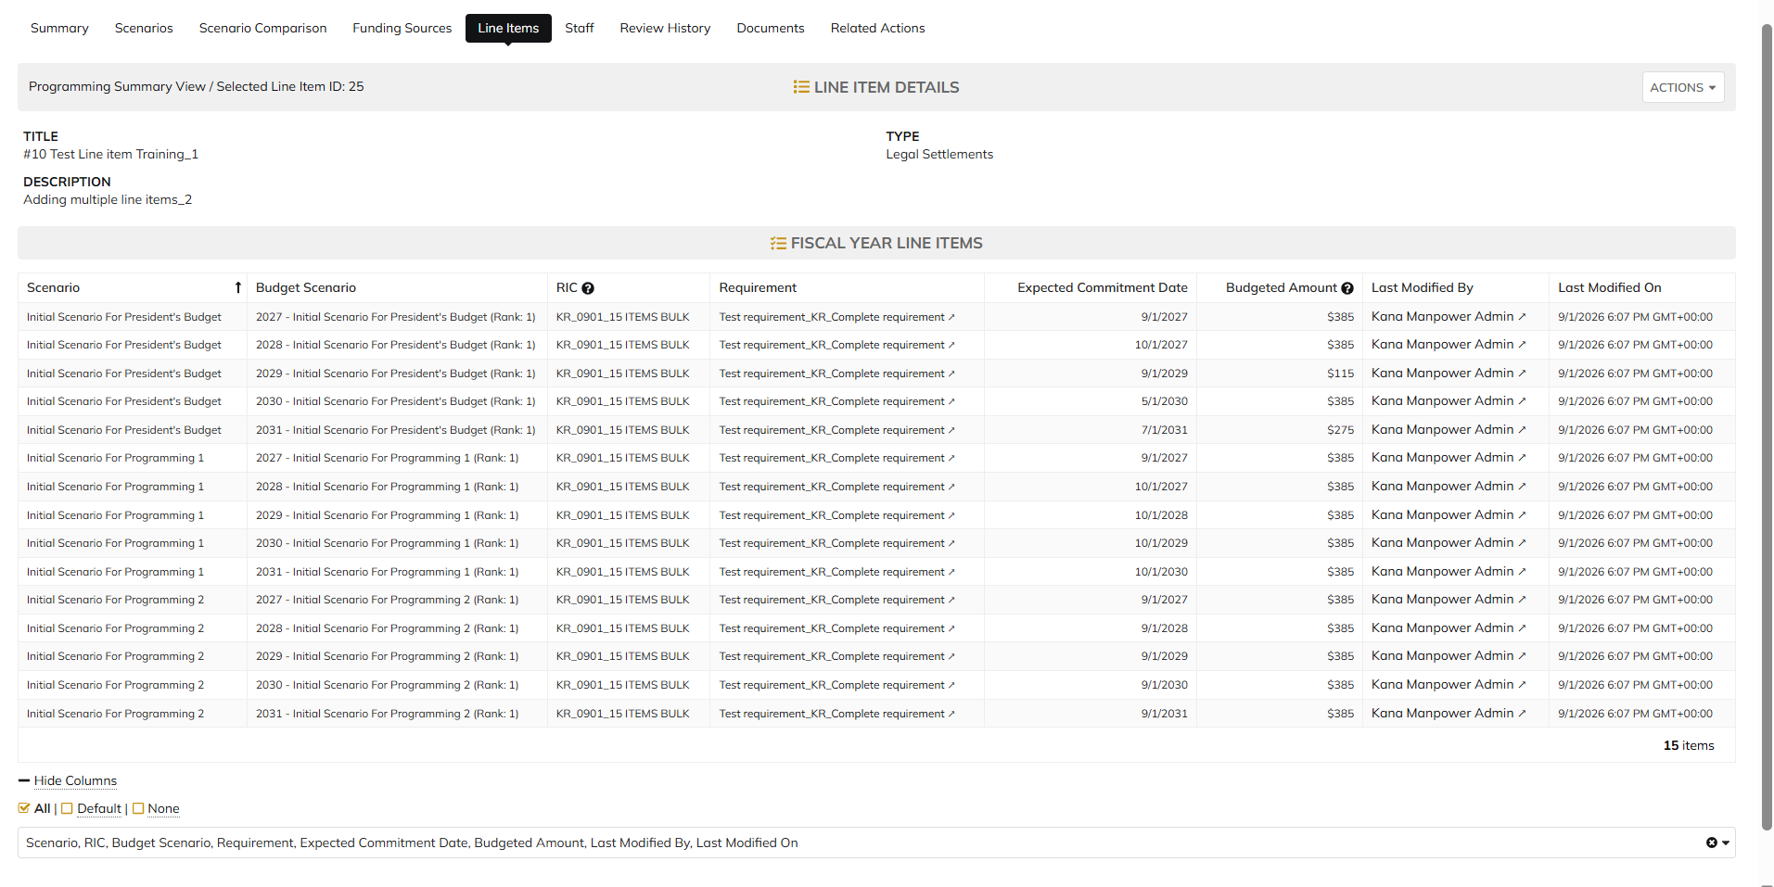

 | Login as SMO viewer

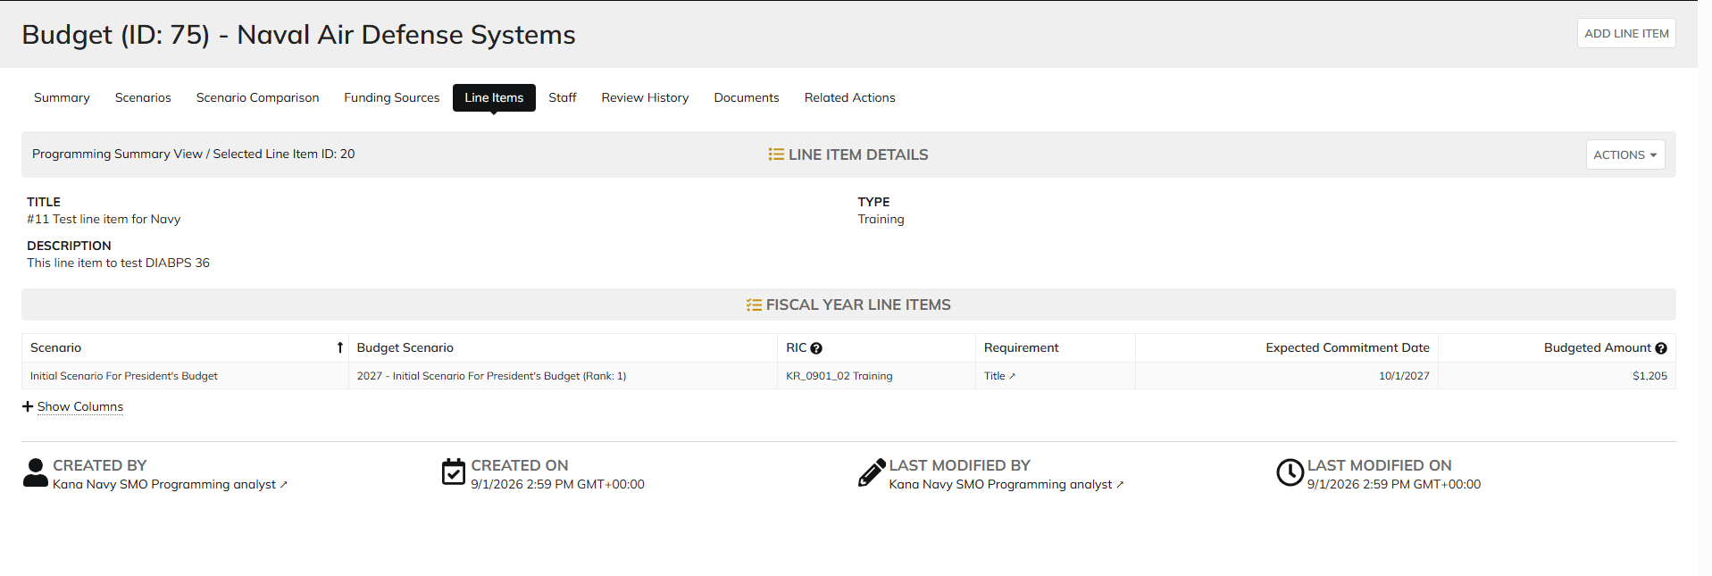

 | Login as DDFOR Viewer

 | Login as RMO viewer

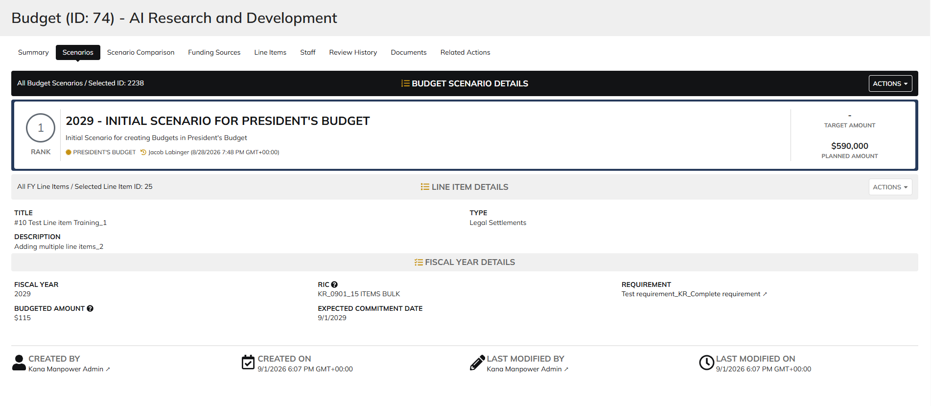

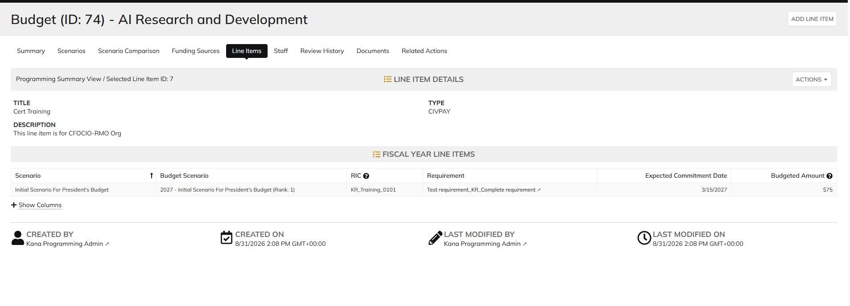

 | Login as CCRM Viewer

